Weekly Average
Team Name + Nickname |  |  | Average from: |  | 2020-06-08 |  | - |  | 2020-06-13

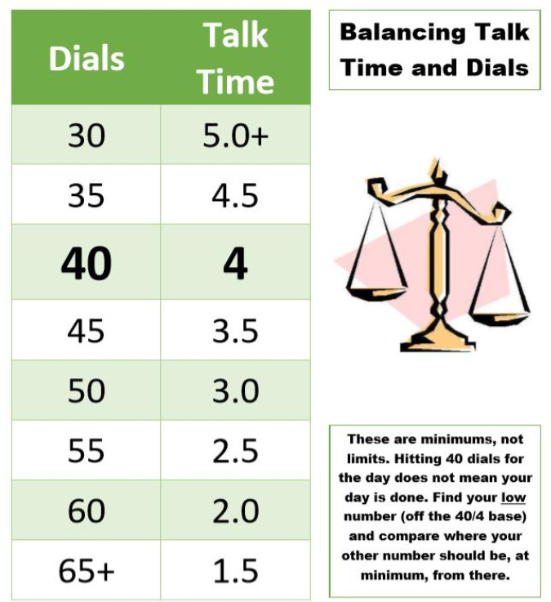
 |  |  | On-Queue | Inbound | Dials |  |  | Hours |  |  | Lives Changed
 | Days Worked: | Enrollment Counselor: |  |  |  | Needed Based on Hours |  |  | Needed Based on Dials | Weekly Dials & Hours % To Goal | Per Day | Week to date | Goal:
 | 5.00 | EC 1 | 3:45:33 | 5.8 | 36 | 33 |  | 4:39:08 | 4:26:24 | 106% | 2.6 | 13 |  | > | 130%
 | 6.00 | EC 2 | 4:25:26 | 7.5 | 50 | 51 |  | 2:56:04 | 3:03:00 | 97% | 1.8 | 11 |  | >= | 100%
 | 3.50 | EC 3 | 5:33:29 | 7.5 | 30 | 33 |  | 4:42:46 | 4:58:30 | 93% | 2.6 | 9 |  | < | 100%
 | 3.50 | EC 4 | 4:42:00 | 6.5 | 24 | 48 |  | 3:13:54 | 5:00:00 | 57% | 1.4 | 5 |  | < | 70%
 | 4.75 | EC 5 | 4:27:00 | 6.0 | 41 | 37 |  | 4:16:58 | 3:56:24 | 109% | 1.9 | 9 |  | < | 50%
 | 4.00 | EC 6 | 5:48:31 | 2.3 | 31 | 44 |  | 3:36:31 | 4:57:00 | 71% | 1.8 | 7 |  | < | 30%
 | 4.50 | EC 7 | 4:28:23 | 6.4 | 38 | 36 |  | 4:24:24 | 4:12:00 | 105% | 1.8 | 8
 | 6.00 | EC 8 | 5:09:27 | 5.2 | 55 | 52 |  | 2:49:16 | 2:30:00 | 110% | 2.5 | 15
 | 4.00 | EC 9 | 5:06:05 | 5.0 | 42 | 52 |  | 2:50:37 | 3:51:00 | 77% | 2.0 | 8
 | 5.00 | EC 10 | 5:19:38 | 6.0 | 32 | 43 |  | 3:44:33 | 4:45:36 | 77% | 2.2 | 11
 | 2.50 | EC 11 | 4:05:45 | 7.0 | 22 | 46 |  | 3:23:13 | 5:00:00 | 57% | 1.2 | 3
 | 5.00 | EC 12 | 5:56:17 | 5.2 | 44 | 40 |  | 4:02:43 | 3:37:12 | 111% | 3.0 | 15
 | 6.00 | EC 13 | 5:45:47 | 4.5 | 37 | 50 |  | 2:57:29 | 4:16:00 | 72% | 2.2 | 13
 | 5.00 | EC 14 | 4:46:31 | 4.2 | 43 | 45 |  | 3:28:52 | 3:43:12 | 94% | 2.0 | 10
 | 5.00 | EC 15 | 4:30:03 | 5.2 | 48 | 34 |  | 4:36:44 | 3:09:36 | 144% | 2.0

 |  | Team Average: | 4:55:20 | 5.6 | 38 | 43 |  | 3:42:53 | 4:05:44 | 92% | 2.1 | 137

